Intro


THE DATA |  |  |  |  | THE TRICK | THE OUTPUTS

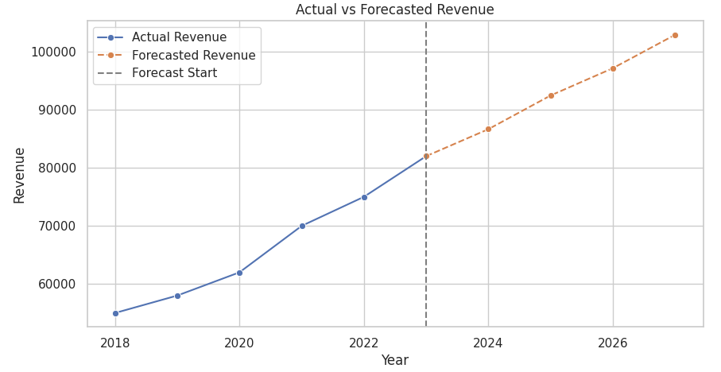
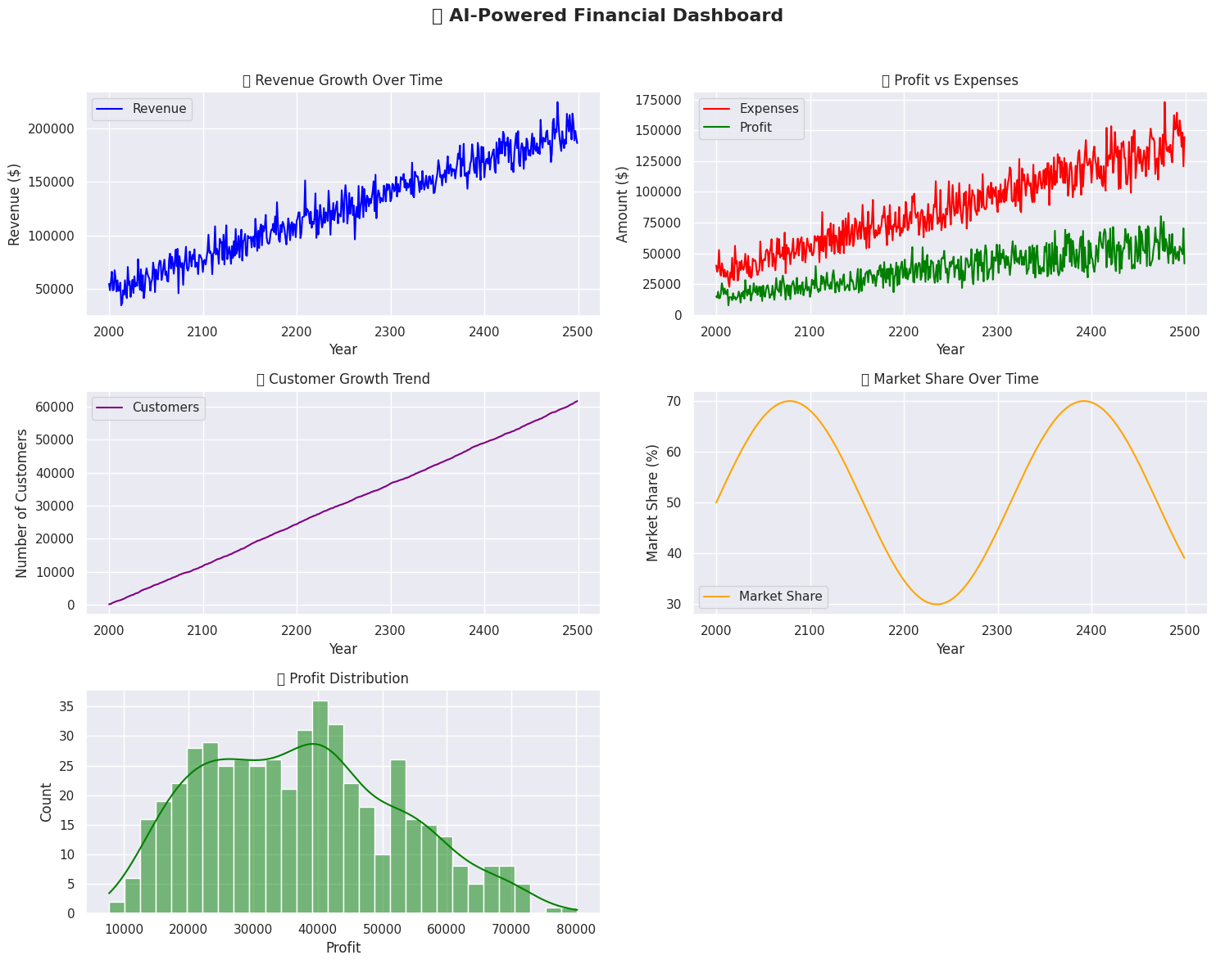
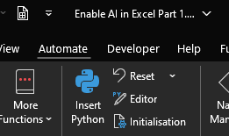
Year | Previous_Years_Revenue | Current_Revenue | Operating_Expenses | Net_Profit
2018 | $50,000 | $55,000 | $20,000 | $35,000
2018 | $50,000 | $55,000 | $20,000 | $35,000
2018 | $50,000 | $55,000 | $20,000 | $35,000
2018 | $50,000 | $55,000 | $20,000 | $35,000
2018 | $50,000 | $55,000 | $20,000 | $35,000
2018 | $50,000 | $55,000 | $20,000 | $35,000
2018 | $50,000 | $55,000 | $20,000 | $35,000
2018 | $50,000 | $55,000 | $20,000 | $35,000
2018 | $50,000 | $55,000 | $20,000 | $35,000
2018 | $50,000 | $55,000 | $20,000 | $35,000
2018 | $50,000 | $55,000 | $20,000 | $35,000
2018 | $50,000 | $55,000 | $20,000 | $35,000
2018 | $50,000 | $55,000 | $20,000 | $35,000
2018 | $50,000 | $55,000 | $20,000 | $35,000
2018 | $50,000 | $55,000 | $20,000 | $35,000
2018 | $50,000 | $55,000 | $20,000 | $35,000
2018 | $50,000 | $55,000 | $20,000 | $35,000
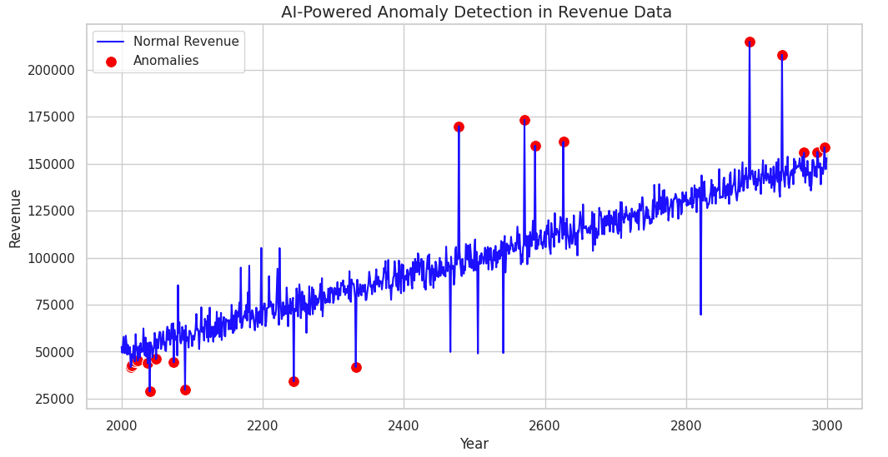
2018 | $50,000 | $55,000 | $20,000 | $35,000
2018 | $50,000 | $55,000 | $20,000 | $35,000
2018 | $50,000 | $55,000 | $20,000 | $35,000
2018 | $50,000 | $55,000 | $20,000 | $35,000
2018 | $50,000 | $55,000 | $20,000 | $35,000
2018 | $50,000 | $55,000 | $20,000 | $35,000
2018 | $50,000 | $55,000 | $20,000 | $35,000
2018 | $50,000 | $55,000 | $20,000 | $35,000
2018 | $50,000 | $55,000 | $20,000 | $35,000
2018 | $50,000 | $55,000 | $20,000 | $35,000
2018 | $50,000 | $55,000 | $20,000 | $35,000
2018 | $50,000 | $55,000 | $20,000 | $35,000
2018 | $50,000 | $55,000 | $20,000 | $35,000
2018 | $50,000 | $55,000 | $20,000 | $35,000
2018 | $50,000 | $55,000 | $20,000 | $35,000
2018 | $50,000 | $55,000 | $20,000 | $35,000
2018 | $50,000 | $55,000 | $20,000 | $35,000
2018 | $50,000 | $55,000 | $20,000 | $35,000
2018 | $50,000 | $55,000 | $20,000 | $35,000
2018 | $50,000 | $55,000 | $20,000 | $35,000
2018 | $50,000 | $55,000 | $20,000 | $35,000
2018 | $50,000 | $55,000 | $20,000 | $35,000
2018 | $50,000 | $55,000 | $20,000 | $35,000
2018 | $50,000 | $55,000 | $20,000 | $35,000
2018 | $50,000 | $55,000 | $20,000 | $35,000 |  | THE MYSTERY GRAPH
2018 | $50,000 | $55,000 | $20,000 | $35,000
2018 | $50,000 | $55,000 | $20,000 | $35,000
2018 | $50,000 | $55,000 | $20,000 | $35,000
2018 | $50,000 | $55,000 | $20,000 | $35,000
2018 | $50,000 | $55,000 | $20,000 | $35,000
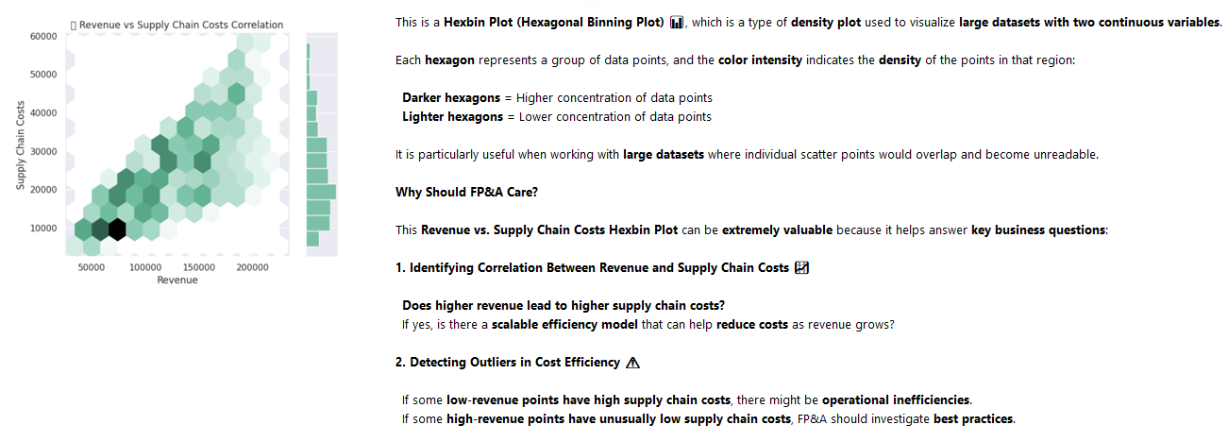
2018 | $50,000 | $55,000 | $20,000 | $35,000
2018 | $50,000 | $55,000 | $20,000 | $35,000
2018 | $50,000 | $55,000 | $20,000 | $35,000

How to enable it
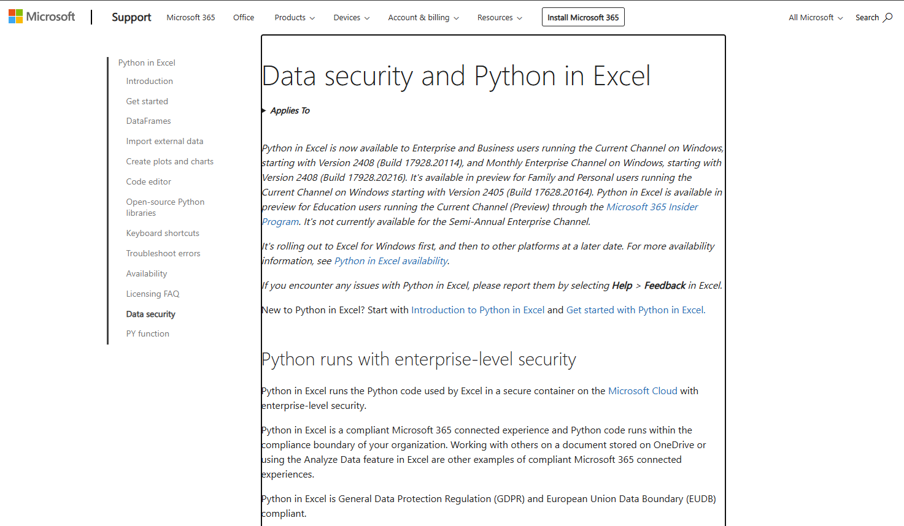
How to enable Python in Excel | Link

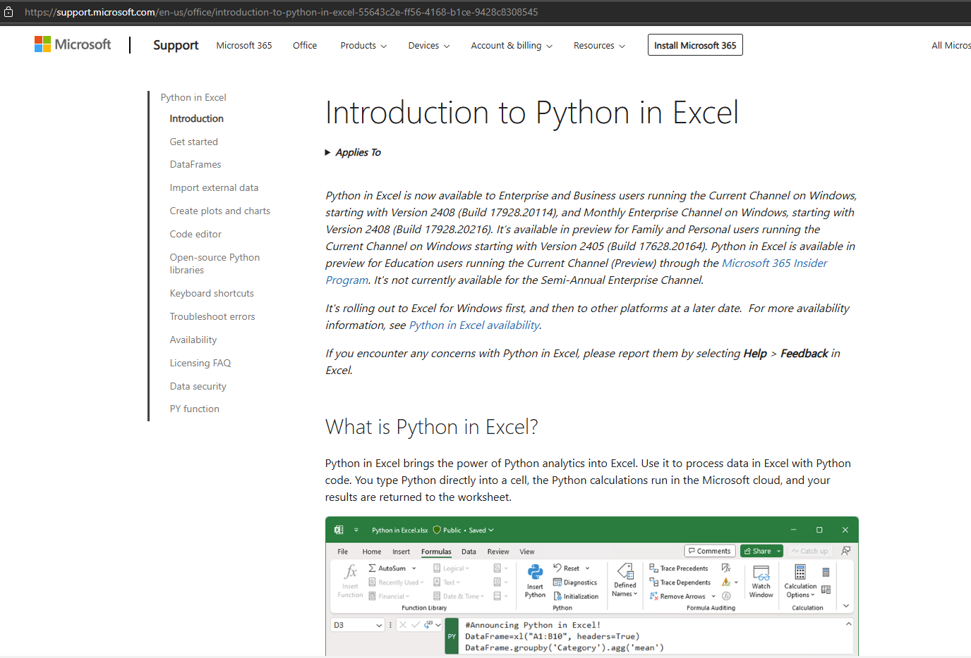
Python in Excel is currently rolling out to Excel for Windows for customers with Enterprise or Business Microsoft 365 subscriptions running the Current Channel, starting with Version 2408 (Build 17928.20114), and Monthly Enterprise Channel, starting with Version 2408 (Build 17928.20216). | Introduction to Python in Excel - Microsoft Support

Python in Excel is available in preview for Family and Personal users running Current Channel on Windows, starting with Version 2405 (Build 17628.20164).

If you have an Education subscription, join the Microsoft 365 Insider Program to use the Python in Excel preview. Choose the Current Channel (Preview) Insider level and install the latest build of Excel.

Don’t have Insider access? Sign up with your Microsoft, work, or school account to be notified about future availability for Python in Excel.

I'm interested

If you have a qualifying Microsoft 365 subscription, take the following steps to use Python in Excel:

1. Open a blank workbook.

2. Select Formulas in the ribbon.

3. Select Insert Python.

Platform availability

Python in Excel is available in Excel for Windows. The feature is not available on the following platforms.

Excel for Mac

Excel on the web

Excel for iPad

Excel for iPhone

Excel for Android

Link
Introduction to Python in Excel - Microsoft Support

Demo
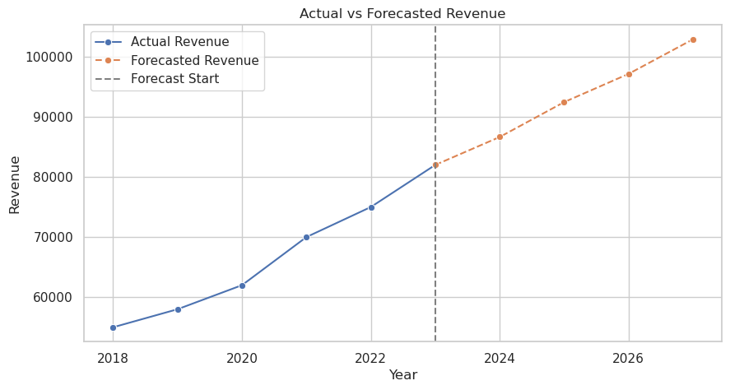
THE DATA |  |  |  |  | THE CODE | THE OUTPUT

Year | Previous_Years_Revenue | Current_Revenue | Operating_Expenses | Net_Profit
2018 | $50,000 | $55,000 | $20,000 | $35,000
2019 | $55,000 | $58,000 | $21,000 | $37,000
2020 | $58,000 | $62,000 | $22,000 | $40,000
2021 | $62,000 | $70,000 | $24,000 | $46,000
2022 | $70,000 | $75,000 | $26,000 | $49,000
2023 | $75,000 | $82,000 | $28,000 | $54,000

Full Code
THE FULL CODE
import pandas as pd
import numpy as np
import matplotlib.pyplot as plt
import seaborn as sns
from sklearn.linear_model import LinearRegression
from statsmodels.tsa.arima.model import ARIMA
# IF You are using G. Colab instead of Excel, use this to load dataset
file_path = "/content/fpa_sample_data.xlsx"
df = pd.read_excel(file_path)
# Convert 'Year' to integer
df = df.astype({'Year': int})
# Set Seaborn theme
sns.set_theme(style="whitegrid")
# --- Revenue Forecasting using ARIMA ---
df.set_index('Year', inplace=True)
arima_model = ARIMA(df['Current_Revenue'], order=(2,1,2))
arima_result = arima_model.fit()
# Forecast next 4 years
forecast_start = df.index[-1] # Last actual year (2023)
forecast_years = [forecast_start + i for i in range(1, 5)] # Forecast from next year
forecast_values = arima_result.forecast(steps=4)
# Append last actual value to maintain continuity
forecast_years = [df.index[-1]] + forecast_years # Add last actual year
forecast_values = [df['Current_Revenue'].iloc[-1]] + list(forecast_values) # Add last actual revenue
# --- Plot Actual vs Forecasted Revenue ---
plt.figure(figsize=(10, 5))
# Plot actual revenue
sns.lineplot(x=df.index, y=df['Current_Revenue'], marker='o', label='Actual Revenue')
# Plot continuous forecast (including last actual value)
sns.lineplot(x=forecast_years, y=forecast_values, marker='o', linestyle="dashed", label='Forecasted Revenue')
# Mark forecast start
plt.axvline(x=forecast_start, color='gray', linestyle='--', label='Forecast Start')
plt.xlabel("Year")
plt.ylabel("Revenue")
plt.title("Actual vs Forecasted Revenue")
plt.legend()
plt.show()

Bonus 1 Anomaly Detection
THE CODE | THE OUTPUT

# Import necessary libraries
import pandas as pd
import numpy as np
import matplotlib.pyplot as plt
import seaborn as sns
from sklearn.ensemble import IsolationForest
# Set random seed for reproducibility
np.random.seed(42)
# Generate a large dummy dataset with anomalies
num_samples = 1000
# Generate normal revenue data with a slight increasing trend
years = np.arange(2000, 2000 + num_samples)
revenue = np.linspace(50000, 150000, num_samples) + np.random.normal(0, 5000, num_samples)
# Introduce anomalies (large unexpected spikes or drops in revenue)
anomaly_indices = np.random.choice(num_samples, size=20, replace=False) # 20 anomalies
revenue[anomaly_indices] *= np.random.choice([0.5, 1.5], size=20) # Large increase or decrease
# Create DataFrame
df = pd.DataFrame({"Year": years, "Revenue": revenue})
# Apply Isolation Forest for anomaly detection
iso_forest = IsolationForest(contamination=0.02, random_state=42) # Detect ~2% anomalies
df['Anomaly_Score'] = iso_forest.fit_predict(df[['Revenue']])
df['Anomaly'] = df['Anomaly_Score'] == -1
# Plot impressive anomaly detection visualization
plt.figure(figsize=(12, 6))
sns.lineplot(x=df["Year"], y=df["Revenue"], label="Normal Revenue", color="blue")
sns.scatterplot(x=df[df["Anomaly"]]["Year"], y=df[df["Anomaly"]]["Revenue"], color="red", s=100, label="Anomalies")
plt.title(" AI-Powered Anomaly Detection in Revenue Data", fontsize=14)
plt.xlabel("Year")
plt.ylabel("Revenue")
plt.legend()
plt.show()

Bonus 2 Dashboard in one cell
THE CODE | THE OUTPUT

import pandas as pd
import numpy as np
import matplotlib.pyplot as plt
import seaborn as sns
# Set random seed for reproducibility
np.random.seed(42)
# Generate a large dummy dataset
num_samples = 500
# Create random years
years = np.arange(2000, 2000 + num_samples)
# Generate financial data with some randomness
revenue = np.linspace(50000, 200000, num_samples) + np.random.normal(0, 10000, num_samples)
expenses = revenue * np.random.uniform(0.6, 0.8, num_samples)
profit = revenue - expenses
customer_growth = np.cumsum(np.random.randint(50, 200, num_samples)) # Increasing customer base
market_share = np.abs(np.sin(np.linspace(0, 10, num_samples)) * 20 + 50) # Cyclical market share
# Create DataFrame
df = pd.DataFrame({
"Year": years,
"Revenue": revenue,
"Expenses": expenses,
"Profit": profit,
"Customer Growth": customer_growth,
"Market Share (%)": market_share
})
# Set Seaborn theme
sns.set_theme(style="darkgrid")
# Create subplots for 5 different dashboard-like graphs
fig, axes = plt.subplots(3, 2, figsize=(15, 12))
fig.suptitle("🚀 AI-Powered Financial Dashboard", fontsize=16, fontweight="bold")
# Revenue Trend
sns.lineplot(ax=axes[0, 0], x=df["Year"], y=df["Revenue"], label="Revenue", color="blue")
axes[0, 0].set_title("📈 Revenue Growth Over Time")
axes[0, 0].set_ylabel("Revenue ($)")
# Expenses vs Profit
sns.lineplot(ax=axes[0, 1], x=df["Year"], y=df["Expenses"], label="Expenses", color="red")
sns.lineplot(ax=axes[0, 1], x=df["Year"], y=df["Profit"], label="Profit", color="green")
axes[0, 1].set_title("💰 Profit vs Expenses")
axes[0, 1].set_ylabel("Amount ($)")
# Customer Growth
sns.lineplot(ax=axes[1, 0], x=df["Year"], y=df["Customer Growth"], label="Customers", color="purple")
axes[1, 0].set_title("📊 Customer Growth Trend")
axes[1, 0].set_ylabel("Number of Customers")
# Market Share Over Time
sns.lineplot(ax=axes[1, 1], x=df["Year"], y=df["Market Share (%)"], label="Market Share", color="orange")
axes[1, 1].set_title("🌎 Market Share Over Time")
axes[1, 1].set_ylabel("Market Share (%)")
# Profit Distribution (Histogram)
sns.histplot(ax=axes[2, 0], x=df["Profit"], bins=30, kde=True, color="green")
axes[2, 0].set_title("📊 Profit Distribution")
# Remove empty subplot (bottom-right corner)
fig.delaxes(axes[2, 1])
# Adjust layout
plt.tight_layout(rect=[0, 0, 1, 0.96])
plt.show()

Bonus 3 Mystery Graph
THE CODE | THE OUTPUT | THE MYSTERY GRAPH

 |  | This is a Hexbin Plot (Hexagonal Binning Plot) 📊, which is a type of density plot used to visualize large datasets with two continuous variables.

 |  | Each hexagon represents a group of data points, and the color intensity indicates the density of the points in that region:

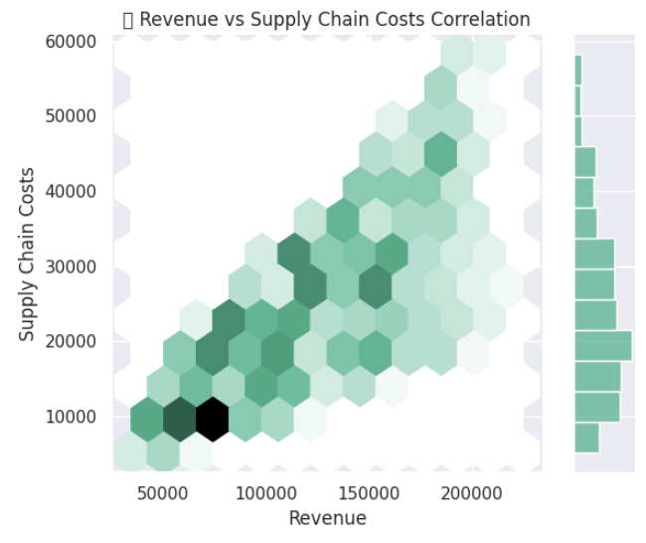
 |  | Darker hexagons = Higher concentration of data points
 |  | Lighter hexagons = Lower concentration of data points

 |  | It is particularly useful when working with large datasets where individual scatter points would overlap and become unreadable.

import pandas as pd
import numpy as np
import matplotlib.pyplot as plt
import seaborn as sns
# Set random seed for reproducibility
np.random.seed(42)
# Generate a large dummy dataset for FP&A & Supply Chain Comparison
num_samples = 500
# Create random years
years = np.arange(2000, 2000 + num_samples)
# Generate financial data for FP&A
revenue = np.linspace(50000, 200000, num_samples) + np.random.normal(0, 10000, num_samples)
expenses = revenue * np.random.uniform(0.6, 0.8, num_samples)
profit = revenue - expenses
customer_growth = np.cumsum(np.random.randint(50, 200, num_samples)) # Increasing customer base
# Generate supply chain efficiency metrics
inventory_turnover = np.random.uniform(5, 15, num_samples) # Inventory turnover ratio
supply_chain_costs = revenue * np.random.uniform(0.1, 0.3, num_samples) # Percentage of revenue
delivery_time_variability = np.random.uniform(1, 5, num_samples) # Variation in delivery times (days)
# Create DataFrame
df = pd.DataFrame({
"Year": years,
"Revenue": revenue,
"Expenses": expenses,
"Profit": profit,
"Customer Growth": customer_growth,
"Inventory Turnover": inventory_turnover,
"Supply Chain Costs": supply_chain_costs,
"Delivery Variability": delivery_time_variability
})
# Set Seaborn theme
sns.set_theme(style="darkgrid")
# Create subplots for FP&A and Supply Chain Dashboard
fig, axes = plt.subplots(3, 2, figsize=(15, 12))
fig.suptitle("🚀 FP&A and Supply Chain Performance Dashboard", fontsize=16, fontweight="bold")
# Revenue Trend
sns.lineplot(ax=axes[0, 0], x=df["Year"], y=df["Revenue"], label="Revenue", color="blue")
axes[0, 0].set_title("📈 Revenue Growth Over Time")
axes[0, 0].set_ylabel("Revenue ($)")
# Profit vs Expenses
sns.lineplot(ax=axes[0, 1], x=df["Year"], y=df["Expenses"], label="Expenses", color="red")
sns.lineplot(ax=axes[0, 1], x=df["Year"], y=df["Profit"], label="Profit", color="green")
axes[0, 1].set_title("💰 Profit vs Expenses")
axes[0, 1].set_ylabel("Amount ($)")
# Inventory Turnover vs Supply Chain Costs
sns.lineplot(ax=axes[1, 0], x=df["Year"], y=df["Inventory Turnover"], label="Inventory Turnover", color="purple")
sns.lineplot(ax=axes[1, 0], x=df["Year"], y=df["Supply Chain Costs"], label="Supply Chain Costs", color="orange")
axes[1, 0].set_title("🚚 Inventory Turnover & Supply Chain Costs")
axes[1, 0].set_ylabel("Ratio / Cost")
# Delivery Time Variability Trend
sns.lineplot(ax=axes[1, 1], x=df["Year"], y=df["Delivery Variability"], label="Delivery Variability", color="brown")
axes[1, 1].set_title("📦 Delivery Time Variability Over Time")
axes[1, 1].set_ylabel("Variability (Days)")
# Hexbin Plot: Revenue vs Supply Chain Costs (Correlation)
sns.jointplot(x=df["Revenue"], y=df["Supply Chain Costs"], kind="hex", color="#4CB391")
plt.title("📊 Revenue vs Supply Chain Costs Correlation")
# Remove empty subplot (bottom-right corner)
fig.delaxes(axes[2, 1])
# Adjust layout
plt.tight_layout(rect=[0, 0, 1, 0.96])
plt.show()
 |  | Why Should FP&A Care?

 |  | This Revenue vs. Supply Chain Costs Hexbin Plot can be extremely valuable because it helps answer key business questions:

 |  | 1. Identifying Correlation Between Revenue and Supply Chain Costs 📈

 |  | Does higher revenue lead to higher supply chain costs?
 |  | If yes, is there a scalable efficiency model that can help reduce costs as revenue grows?

 |  | 2. Detecting Outliers in Cost Efficiency ⚠️

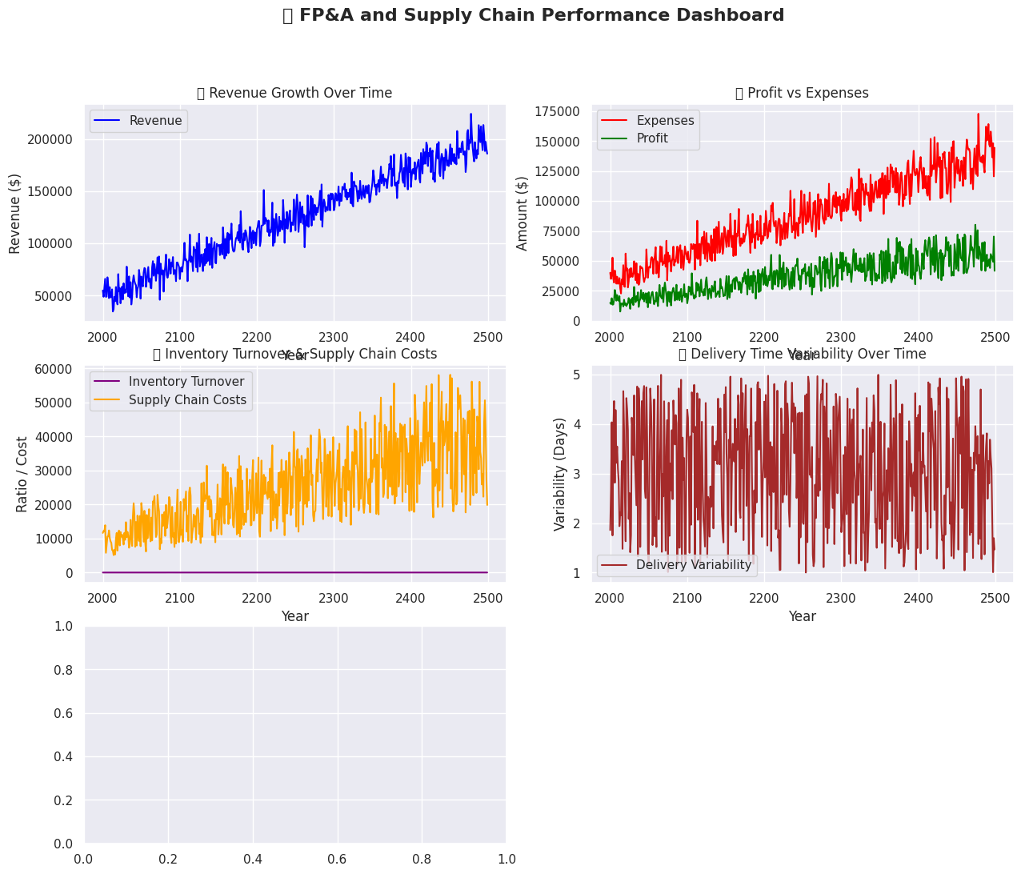
 |  | If some low-revenue points have high supply chain costs, there might be operational inefficiencies.
 |  | If some high-revenue points have unusually low supply chain costs, FP&A should investigate best practices.

 |  | 3. Strategic Supply Chain Decisions 🚛

 |  | Helps align financial forecasting with logistics and operations.
 |  | If supply chain costs rise disproportionately to revenue, there may be logistics inefficiencies, such as:
 |  | Poor inventory management
 |  | Inefficient supplier contracts
 |  | High transportation costs

 |  | 4. Budgeting & Cost Optimization 💰

 |  | By analyzing this data pattern, FP&A teams can recommend cost-cutting measures without impacting revenue growth.
 |  | For example, if some revenue brackets show cost inefficiencies, finance teams can suggest cost optimization strategies.

